Contents
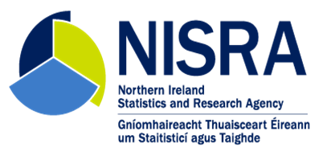
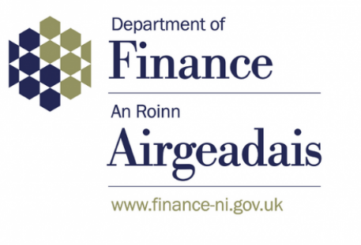
SICKNESS ABSENCE IN THE NORTHERN IRELAND CIVIL SERVICE 2023/2024
Publication Date: 10 September 2024

The tables in this spreadsheet provide all data relating to the following publication:
Sickness Absence in the Northern Ireland Civil Service 2023/2024

Contents
Key Facts: An overview of key sickness absence facts over the least five years, 2019/20 to 2023/2024
1.1 Working days lost due to sickness absence by several variables: department, grade, sex, length of service, age.
1.2 Further information relating to working days lost.
2.1 Number and duration of sickness absence spells and how they were certified.
2.2 Further information relating to the number and duration of sickness absence spells.
3.1 Reasons for sickness absence by several variables: grade, sex, age group. Analysis of Covid-19.
3.2 Further information relating to reasons for sickness absence including Covid-19 further analysis.
4.1 Analysis of long-term sickness absence by several variables: department, grade, sex, age.
4.2 Further information relating to long-term sickness absence.
5 Examination of seasonal effects on sickness absence.
6 Examination of the potential influence a department's staffing profile can have on its absence level.
7 Analysis of the main components of absence: department, grade, sex, age, reason and duration and their contribution to the NICS sickness level.
8 Departmental analysis of working days lost by grade group.
9 Business area analysis of working days lost.
Notes: Notes relating to the data in this spreadsheet.

